Лист1
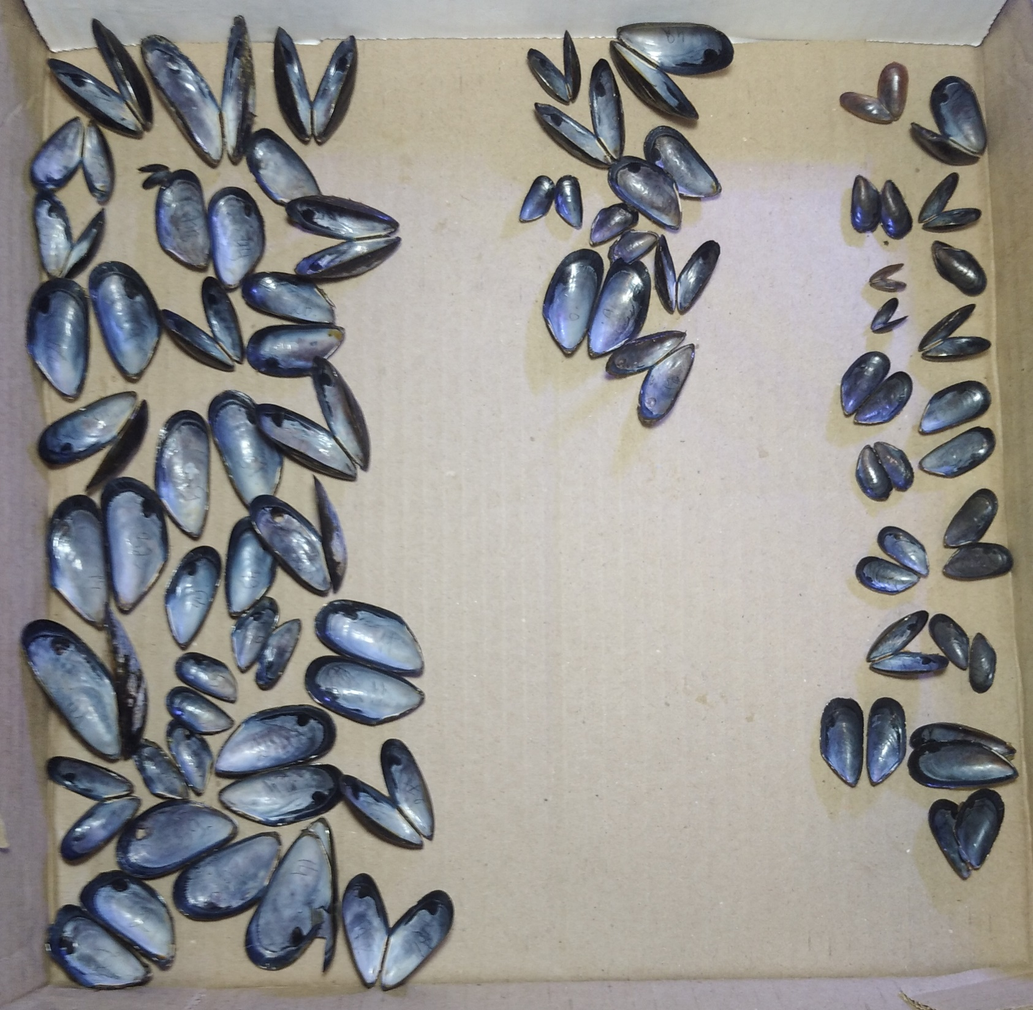
№ | str | morph
Mat22_3 | 0.022 | E | на фото мидии раскиданы "примерно" по аллелям, не по стракче
Mat22_11 | 0.022 | E
Mat22_14 | 0.022 | E | слева направо: ME, гибриды, МТ
Mat22_18 | 0.022 | E
Mat22_21 | 0.022 | E
Mat22_23 | 0.022 | E
Mat22_24 | 0.022 | E
Mat22_29 | 0.022 | E
Mat22_32 | 0.022 | E
Mat22_44 | 0.022 | E
Mat22_46 | 0.022 | E
Mat22_47 | 0.022 | E
Mat22_51 | 0.022 | E
Mat22_52 | 0.022 | E
Mat22_41 | 0.023 | E
Mat22_58 | 0.025 | E
Mat22_4 | 0.03 | E
Mat22_8 | 0.03 | E
Mat22_34 | 0.03 | E
Mat22_35 | 0.03 | E
Mat22_49 | 0.055 | E
Mat22_38 | 0.11 | E
Mat22_2 | 0.111 | E
Mat22_1 | 0.119 | E
Mat22_5 | 0.119 | E
Mat22_26 | 0.123 | E
Mat22_37 | 0.176 | E
Mat22_27 | 0.177 | E
Mat22_20 | 0.18 | E
Mat22_39 | 0.18 | E
Mat22_48 | 0.26 | E
Mat22_42 | 0.343 | E
Mat22_36 | 0.445 | E
Mat22_17 | 0.539 | E
Mat22_7 | 0.641 | E
Mat22_57 | 0.642 | E
Mat22_22 | 0.667 | E
Mat22_6 | 0.668 | T
Mat22_33 | 0.69 | E
Mat22_16 | 0.846 | E
Mat22_10 | 0.871 | E
Mat22_43 | 0.921 | T
Mat22_31 | 0.926 | E
Mat22_12 | 0.938 | T
Mat22_54 | 0.938 | T
Mat22_9 | 0.973 | T
Mat22_19 | 0.976 | T
Mat22_45 | 0.976 | T
Mat22_55 | 0.976 | T
Mat22_56 | 0.976 | T
Mat22_53 | 0.977 | T
Mat22_13 | 0.978 | T
Mat22_28 | 0.978 | E
Mat22_30 | 0.978 | T
Mat22_40 | 0.978 | T
Mat22_25 | 0.979 | T
Mat22_50 | 0.979 | T

